Dashboard
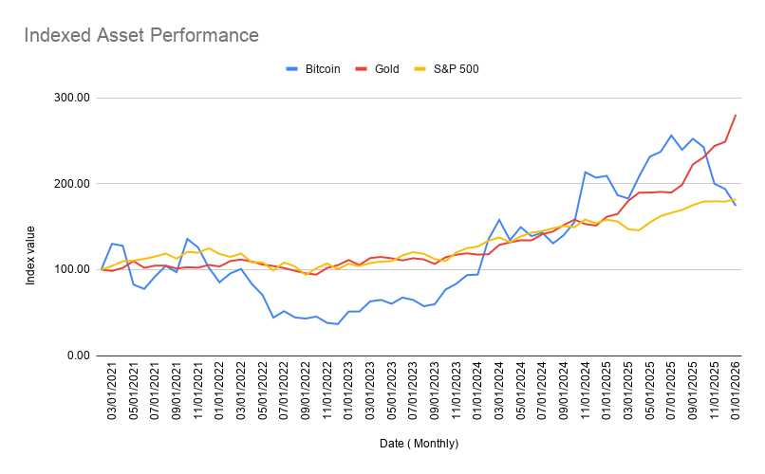
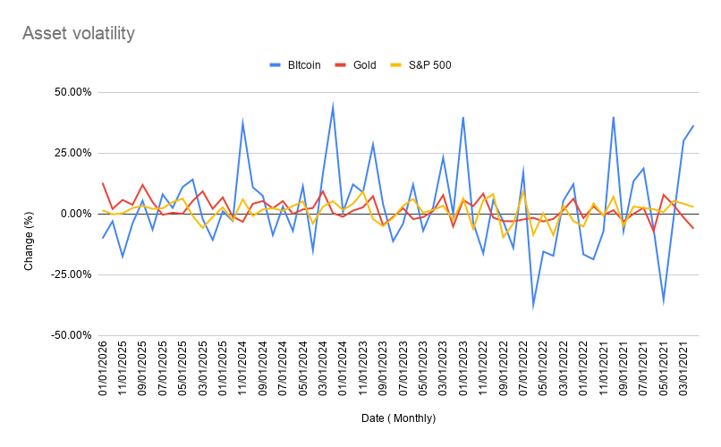

NOTES: This data was collected from https://www.investing.com/, collecting BTC/USD, AUX/USD, SPY/USD over a period of five years between 01/2021 to 01/2026. I want to strongly caveat this dataset in that this is strictly results from this data, within the timeline stated above and data source/methodology used. This data should not be used in any financial predictions. Asset returns; Over the data timeline (between jan 2021 - jan 2026); Gold shows the highest return over five years by approximately +180% from this data. S&P shows the lowest return over five years, as measured by index change Indexed Asset performance; Given Bitcoins price compared to gold and SPY etf, by indexing these three could we accurately compare the value increases of each. This data suggests Bitcoin was by far more volatile, seeing the biggest and longest drop of value between 05/01/2022 to 03/01/2024 whilst seeing a shorter, more drastic increase than gold between the period of 11/01/2024 to 09/01/2025. Gold is shown to maintain a steady increase however, running ahead of Bitcoins activity. SPY (S&P500 ETF) and BTC ended at a similiar level, with SPY slightly higher Asset Volatility Bitcoin saw massive volatility changes. Interestingly, the greatest dips were in May 2021 and Jan 2022 with Gold and S&P 500 having similiar dips, but with far less extreme changes.

