dashboard
Top 10 product sales

Sales by state
Sales by categories

Top 10 customers generating sales
Category sales breakdown in each state

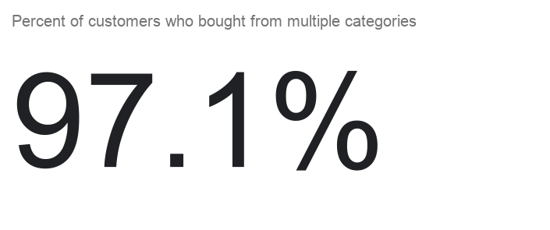
Category performance in sales by month

Overview; This dataset consists of 9800 rows of sales data from a superstore. It is unknown whether the data is synthetic. It shows customer activity on purchases within different categories over a 3 year period. Insights; 1. The data suggests that the top product by far in sales is the Canon IMageCLASS 2200 Advanced Copier. 2. WIthin this data, California was responsible for the most sales. North Dakota having the least sales. California is one of the largest US states so this could explain that behaviour. 3. Data suggests the sales by catogories to be rather even, with technology leading at 36.6% of sales. 4. Sean Miller generated the most sales 5. The category breakdown in each state had a few outliers, but they had very little sales respectively, skewing the breakdown 6. Most customers bought from more then one category, at 97.1% 7. Office supplies fluctuate more then other categories, but that makes sense given the weaker performing category. 01/01/2016 for example showed a very poor month for office supplies, according to this data. NOTE; with all these analysis, the insights have come from the data. These data points are isolated as such and that should be considered when looking at any data from this file.

